References & Comparsion Charts
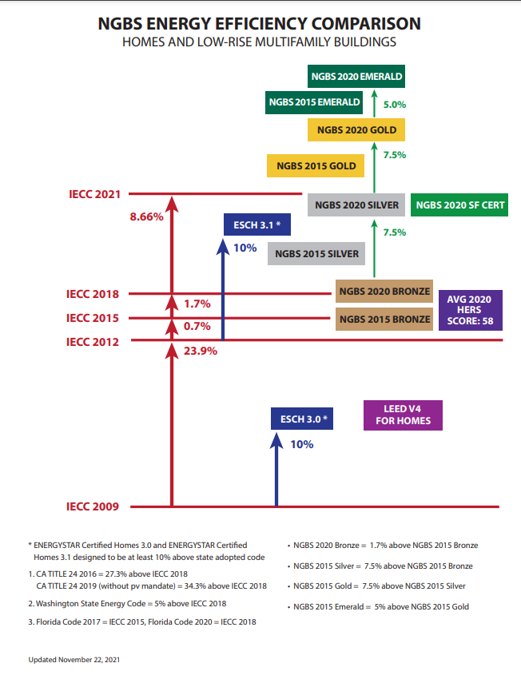
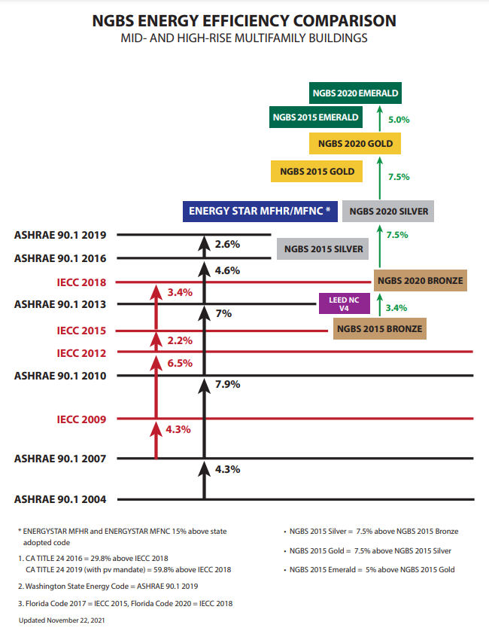
CLICK FOR LINK | CLICK FOR LINK

